Introduction
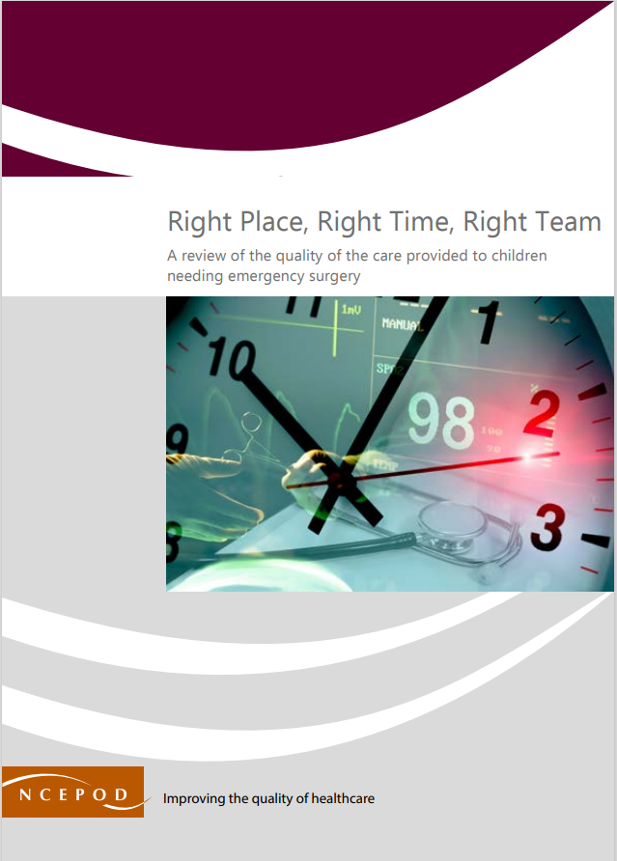

Emergency Paediatric Surgery
Audit Toolkit

This tool has been designed to review the quality of the care provided to children and young people under 18 years old undergoing emergency (non-elective) surgery under anaesthetic or sedation. In the NCEPOD study, patients aged 0-18th birthday who underwent an emergency (non-elective) procedure under anaesthetic or sedation were identified between: • Time frame 1 - Monday 17th June 00:00 – Sunday 30th June 23:59 2024 • Time frame 2 - Monday 12th February 00:00 – Sunday 25th February 23:59 2024

Thank you for downloading the toolkit for 'Right Place, Right Time, Right Team'. We hope you find this useful. If you have any feedback, please email us at info@ncepod.org.uk Please could you advise your local audit department if you plan to undertake this audit. It is important that they are made aware of it for the benefit of demonstrating Trust/Health Board activity and also so that they are in a position to support you and endorse the activity for your benefit.

Please complete as many questions which are applicable to the care of the patient.

For information on the recommendation to which each question assesses, please click on the button
This toolkit can be used in conjunction with the Recommendation Checklist. Further implementation tools can be accessed via the link below or by clicking on the adjacent report cover image.
https://ncepod.org.uk/2025eps.html

Summary
Extent to which each recommendation has been met (%)
Recommendation - Sub criteria question number (reference) |  | The chart will only populate once all questions for a particular Recommendation have been answered in the Audit Tool worksheet
Recommendation Three | Recommendation Two
8a | 11a | Recommendation - Sub criteria questions (score)
8b | 11b | Recommendation Three | Recommendation Two
10 | 12 | No data | No data
 | 16a | No data | No data
 | 16b | No data | No data
 | 16c |  | No data
 | 16d |  | No data
 |  |  | No data
 |  |  | No data

RAG system (NCEPOD recommends these are set at the following limits, however these can be adapted by your Trust/Health Board where appropriate by amending the thresholds as required) | % | Recommendation Three | Recommendation Two
Green | 90-100 | No data | No data
Amber | 50-89
Red | 0-49

